Sheet1
def cost(x, y, w): c = 0 for i in range(len(x)): h_y_hat = w * x[i] e = (h_y_hat - y[i]) ** 2 c += e return c / len(x)
 |  |  | =D4*$B$4 | =E4-C4 | =F4^2
 |  |  | w * x[i] | (h_y_hat - y[i])
x | y | w | h_y_hat | 잔차(오차) | 잔차 제곱 | cost
1 | 1 | -1 | -1 | -2 | 4 | 18.666666667
2 | 2 | -1 | -2 | -4 | 16
3 | 3 | -1 | -3 | -6 | 36
 |  | 0 | 0 | -1 | 1 | 4.6666666667
 |  | 0 | 0 | -2 | 4
 |  | 0 | 0 | -3 | 9
 |  | 1 | 1 | 0 | 0 | 0
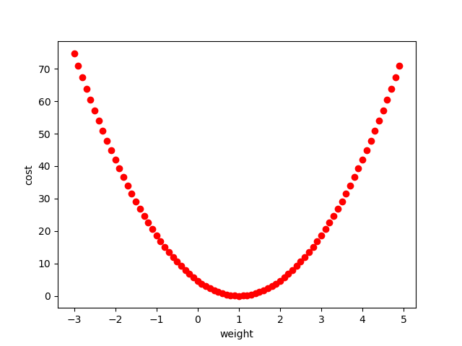
 |  | 1 | 2 | 0 | 0
 |  | 1 | 3 | 0 | 0
 |  | 2 | 2 | 1 | 1 | 4.6666666667
 |  | 2 | 4 | 2 | 4
 |  | 2 | 6 | 3 | 9
 |  | 3 | 3 | 2 | 4 | 18.666666667
 |  | 3 | 6 | 4 | 16
 |  | 3 | 9 | 6 | 36

